Sheet1
 |  | Document No. | Issue No. | Issue Date |  | Review and Replace Date |  | Authorised By
 |  | GFF225MC | 4 | 23.09.2020 |  | 27.10.2022 |  | Magda Shah
 |  | Document Title | 8 CHICKEN TIKKA PAKORA WITH MINT RAITA DIP 250g
Document amendments reason for change |  | Added Mint Raita Dip Pot 25g & Film updated |  |  | Page 1 of 1 | Previous Issue Date | 08.04.2022 | Uncontrolled copy unless signed original

COOK
+ 18 DAYS
CCTPKB1-R1TEB | BOOTHS - XMAS |  | 8 CHICKEN TIKKA PAKORA WITH MINT RAITA DIP 250g
STEP 1 |  |  |  |  | STEP 2
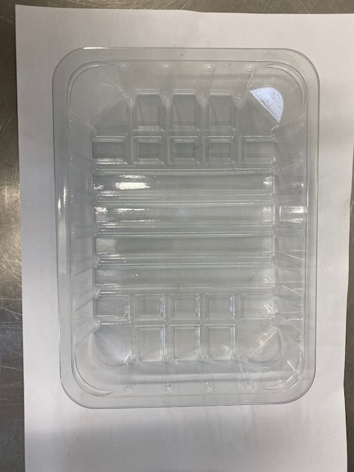 |  |  |  |  | 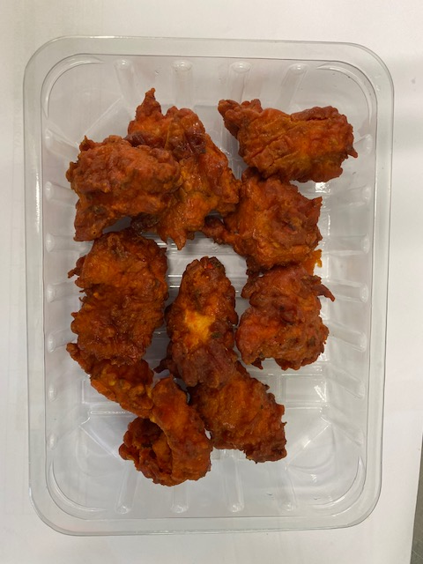

DEFROST DAY
+ 16 DAYS
FROZEN
1 YEAR

Tray: SK4-PLAIN CLEAR (PKESS001-07) |  |  |  |  | Chicken Tikka Pakora (GFF328R): 200g Minimum 8 pieces
Film: K-peel 7G+25A/f-275mm (PKKMP001-03)
STEP 3 |  |  |  |  | STEP 4
 |  |  |  |  | 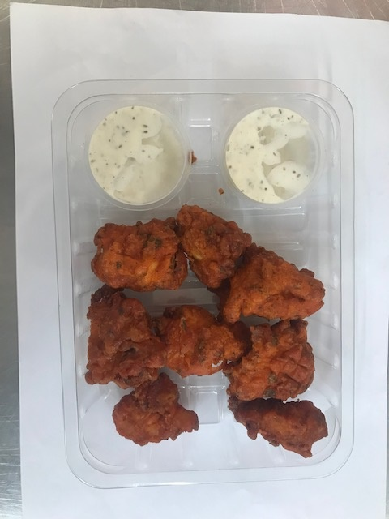

Mint Raita Dip Pot(25gX2) (RMPIQ001-04): (50g) |  |  |  |  | TOTAL WEIGHT: 250g

ALLERGY ALERT: Egg, Milk

